Test Cases-Analyst Login
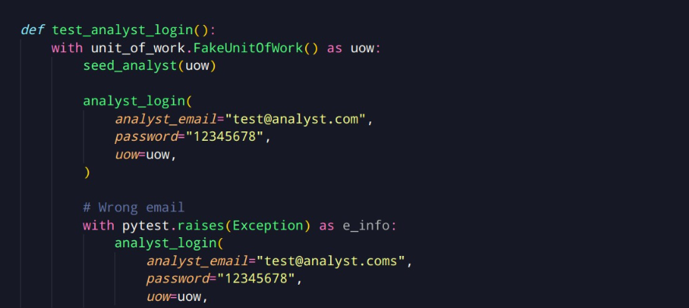
Note: Write test cases for each use case separately. All of your test cases must be in a single excel file. However, test cases for each use case must be in a separate sheet in the file. Copy the template below and modify it as needed for different use cases.

Test Case ID | T02 | Use Case Name | Analyst Login
Test Created by | Suleman Mahmood | Test executed by | Ali Asghar
Test Case Prioroty | High | Test Case Objectives | Check the functionality of login for analyst
Test browser/platform | OS: Windows 10, Borwser: Google Chrome
Pre-conditions | Analyst is registered.
Post-conditions | Analyst is logged in.

Step No | User actions |  | Inputs | System response | Expected Outputs | Actual Output | Test Result (Pass/Fail) | Comments
1 | The user chooses to login as investor. |  | Click Register | A list of input text cells are shown.
2 | The user enters his name, email and password. |  | email, password

3 | The user enters confirms. |  | Press Confirm
4 | The user is logged in as analyst if the email and password are valid.

Test Case Execution Result |  | Passed

Step No | User actions |  | Inputs | System response | Expected Outputs | Actual Output | Test Result (Pass/Fail) | Comments
1 | The user chooses to login as investor. |  | Click Register | A list of input text cells are shown.
2 | The user enters his name, email and password. |  | email, password

3 | The user enters confirms. |  | Press Confirm
4 | The user is shown an error if the email and password are invalid.

Test Case Execution Result |  | Passed

Test Cases-investor_login
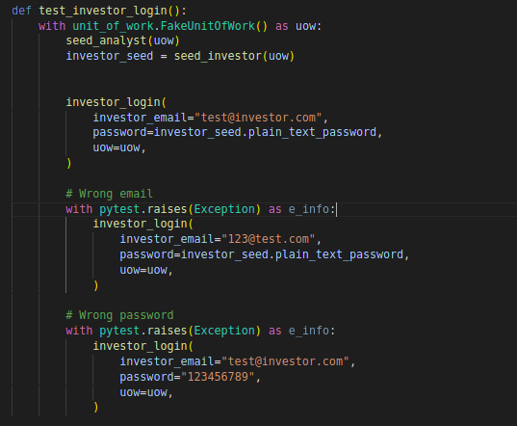
Note: Write test cases for each use case separately. All of your test cases must be in a single excel file. However, test cases for each use case must be in a separate sheet in the file. Copy the template below and modify it as needed for different use cases.

Test Case ID | T04 | Use Case Name | Investor login
Test Created by | Ahmed Tahir Shekhani | Test executed by | Ahmed Tahir Shekhani
Test Case Prioroty | High | Test Case Objectives | Check investor login using credentials provided by analyst
Test browser/platform | OS: Linux, Borwser: Google Chrome IDE: VS code using pytest
Pre-conditions | Investor got the credentials
Post-conditions | Investor login to the dashboard

Step No | User actions |  | Inputs | System response | Expected Outputs | Actual Output | Test Result (Pass/Fail) | Comments
1 | Analyst share the credentials with the investor
2 | Investor got the credentials

3 | Investor visit login page and provide credentials |  | Email, Password |  | Show successful login and redirect to dashboard | Show successful login and redirect to dashboard | Passed
4 | Investor clicks login button |  | Press Login button
5 | Investor get the access of the dashboard

Test Case Execution Result |  | Passed

Test Cases-add_bot
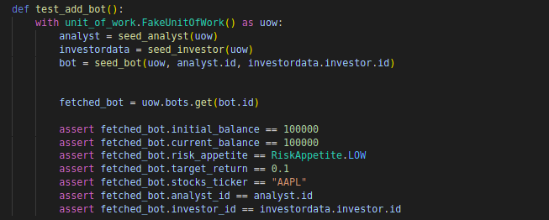
Note: Write test cases for each use case separately. All of your test cases must be in a single excel file. However, test cases for each use case must be in a separate sheet in the file. Copy the template below and modify it as needed for different use cases.

Test Case ID | T05 | Use Case Name | Analyst add the bot for investor with certain configurations
Test Created by | Ahmed Tahir Shekhani | Test executed by | Ahmed Tahir Shekhani
Test Case Prioroty | High | Test Case Objectives | bot successfully added and registered in database with an IDLE state
Test browser/platform | OS: Linux, Borwser: Google Chrome IDE: VS code using pytest
Pre-conditions | Analyst login to the system
Post-conditions | Bot added to bot list of respective investor

Step No | User actions |  | Inputs | System response | Expected Outputs | Actual Output | Test Result (Pass/Fail) | Comments
1 | Analyst select the investor and click add bot
2 | They then select the configs of the bot

3 | Click add bot
 | See the bot in list of bots

Test Case Execution Result |  | Passed

Test Cases-initiate_bot_executi
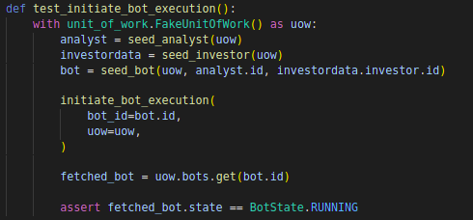
Note: Write test cases for each use case separately. All of your test cases must be in a single excel file. However, test cases for each use case must be in a separate sheet in the file. Copy the template below and modify it as needed for different use cases.

Test Case ID | T06 | Use Case Name | Initiate bot execution
Test Created by | Ahmed Tahir Shekhani | Test executed by | Ahmed Tahir Shekhani
Test Case Prioroty | High | Test Case Objectives | Bot change state from idle to running state
Test browser/platform | OS: Linux, Borwser: Google Chrome IDE: VS code using pytest
Pre-conditions | Analyst login to system
Post-conditions | Bot state changes to RUNNING

Step No | User actions |  | Inputs | System response | Expected Outputs | Actual Output | Test Result (Pass/Fail) | Comments
1 | Analyst visit the bot list of respective investor
2 | Select the bot and initiate execution

3 | Bot change state from IDLE to running |  |  |  |  | State change to running | Passed

Test Case Execution Result |  | Passed

Test Cases-terminate_bot
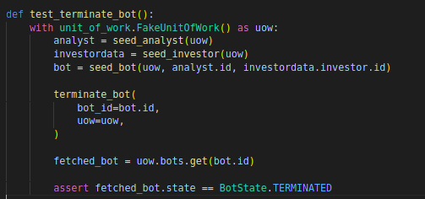
Note: Write test cases for each use case separately. All of your test cases must be in a single excel file. However, test cases for each use case must be in a separate sheet in the file. Copy the template below and modify it as needed for different use cases.

Test Case ID | T07 | Use Case Name | Terminate bot instance
Test Created by | Ahmed Tahir Shekhani | Test executed by | Ahmed Tahir Shekhani
Test Case Prioroty | High | Test Case Objectives | Bot change state to terminated and stop trading
Test browser/platform | OS: Linux, Borwser: Google Chrome IDE: VS code using pytest
Pre-conditions | Analyst login to system
Post-conditions | Bot state changes to TERMINATED

Step No | User actions |  | Inputs | System response | Expected Outputs | Actual Output | Test Result (Pass/Fail) | Comments
1 | Analyst visit the bot list of respective investor
2 | Select the bot in running state and click terminate

3 | Bot change state from RUNNING to TERMINATED |  |  |  |  | State change to running | Passed

Test Case Execution Result |  | Passed

Test Cases-investor_logout
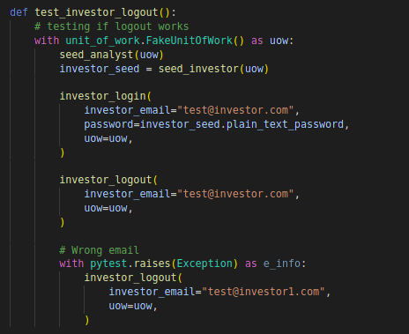
Note: Write test cases for each use case separately. All of your test cases must be in a single excel file. However, test cases for each use case must be in a separate sheet in the file. Copy the template below and modify it as needed for different use cases.

Test Case ID | T08 | Use Case Name | Investor logout
Test Created by | Ahmed Tahir Shekhani | Test executed by | Ahmed Tahir Shekhani
Test Case Prioroty | High | Test Case Objectives | Investor logout
Test browser/platform | OS: Linux, Borwser: Google Chrome IDE: VS code using pytest
Pre-conditions | Investor login to the dashboard
Post-conditions | Investor redirected to source page

Step No | User actions |  | Inputs | System response | Expected Outputs | Actual Output | Test Result (Pass/Fail) | Comments
1 | Investor logged in
2 | Investor clicks logout

3 | Redirected to source page

Test Case Execution Result |  | Passed

